Go Bogun Go
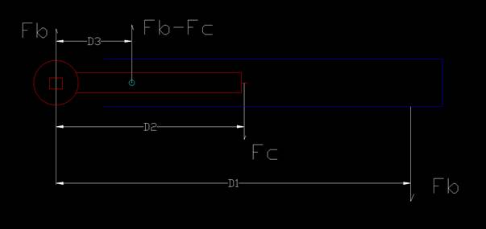
Torque Wrench Simulator© |  | v1 | Aug 25 2023
 |  |  | © | NorthRose Inc.
This is calibrated to click when bolt torque is 1090 inch lbs (see calibration sheet).
Input on GREEN fields only

Bogun Force | Fb | 50 | lbs | input on the calibration sheet
Click Force | Fc | 5 | lbs
Bolt to hand distance | D1 | 15 | Inches | Calibrated at 20 inches
Pivot to Click distance | D2 | 5 | inches
Pivot to bolt center distance | D3 | 2 | Inches

Needed Bogun force to get it to click |  | 64.705882353
Derivation below.

 |  |  |  |  | Should be
The calculated applied torque on the bolt |  | 1413.5294118 | Inch Pounds of torque |  | 1090 | In-lbs
 |  | 117.79 | Foot Pounds of torque |  | 90.83 | Ft-Lbs

Torque = (D1 x Fb) + ((Fb-Fc) x D3)
Torque = (D1 x Fb) + Fb*D3-Fc*D3
Torque/Fb = D1 + D3 - (Fc*D3)/Fb
(Torque/Fb)-D1 -D3 = - (Fc*D3)/Fb
Torque-D1*Fb -D3*Fb = - (Fc*D3)
Fb(D1 + -D3) = (Fc*D3) +Torque
Fb= ((Fc*D3) +Torque)/(D1 + -D3)

